Sheet1
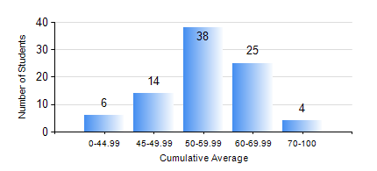
 |  |  | KWAME NKRUMAH UNIVERSITY OF SCIENCE AND TECHNOLOGY, KUMASI Department of Materials Engineering

 |  |  | BSC. METALLURGICAL ENG.

 |  |  | COMPREHENSIVE RECORD OF EXAMINATION RESULTS

 |  |  | RESULTS OF YEAR 2 SECOND SEMESTER, 2018/2019 ACADEMIC YEAR

 | Sn | Course Code |  | Course Name | Credit Hours | Min. Mark | Max. Mark | Avg. Mark | Std. Dev. | No. Passed | No. Trailed | No. (Df) | No. (I) | No. (I*) | No. Tagged(I,I*,Df) | Total
 | 0. |  |  |  |  |  |  | 0 | 0 | 0 | 0 | 0 | 0 | 0 | 0 | 5
 | 1. | MATH 252 |  | CALCULUS WITH SEVERAL VARIABLES | 4 | 24 | 85 | 54 | 12.26 | 80 | 2 | 0 | 0 | 0 | 0 | 82
 | 2. | METE 252 |  | METALLURGICAL RATE PROCESSES/SURFACE PHENOMENA | 3 | 40 | 78 | 55 | 8.38 | 82 | 0 | 0 | 0 | 0 | 0 | 82
 | 3. | METE 254 |  | MINERAL PROCESSING I | 3 | 37 | 81 | 62 | 11.5 | 78 | 4 | 0 | 0 | 0 | 0 | 82
 | 4. | METE 256 |  | ASSAYING | 2 | 34 | 88 | 65 | 13.49 | 80 | 2 | 0 | 0 | 0 | 0 | 82
 | 5. | MSE 252 |  | TRANSPORT PHENOMENA IN MATERIALS PROCESSING II | 2 | 37 | 78 | 55 | 9.06 | 81 | 1 | 0 | 0 | 0 | 0 | 82
 | 6. | MSE 260 |  | PHASE TRANSFORMATIONS | 2 | 26 | 84 | 48 | 13.53 | 67 | 15 | 0 | 0 | 0 | 0 | 82
 | 7. | MSE 262 |  | MATERIALS CHARACTERISATION TECHNIQUES | 2 | 18 | 83 | 51 | 12.67 | 73 | 9 | 0 | 0 | 0 | 0 | 82

